1. Title Page
[Instacart Grocery Basket Analysis]

Project Name: Instacart Grocery Basket Analysis
Date: July 11,2024
Analyst Name: Carolina Martín

Contents:
Population Flow
Consistency checks
Wrangling steps
Column derivations
Visualizations
Recommendations
Citations

2. Population Flow
Title page

Population flow

Exclusion flag
Condition: max_order < 5
Obervations to be removed: 1,440,295
Final total count of order_products_all: 32,4.4,859

Orders_products_combined
Orders_products_merged
Orders_products_all

Total:,32,404,859
Total:
32,434,489
Total: 32,404,859

1.) The grey boxes in the first row of the population flow represent the original data sets as they were when you downloaded them. In the Total fields you need to add the count of the rows when you imported the data set into Jupyter.
2.) The second row of boxes (coloured) represents the data sets after you manipulated them, e.g., removed missing values and duplicates. In the Total fields you need to add the count of the rows after conducting these operations. This offers a visual oveview of how the data flows throughout the data consistency checks.
3.) The third row, where also the arrows are coloured, represents the merges you performed between the datasets. In the Total fields you need to add the count of the rows in the merged datasets, so that you end up with the final dataset (in the red box). Keep in mind the final dataset should be without exclusions (based on the exclusion flag).

3. Consistency checks
 |  |  |  | Title page
Consistency checks

Dataset | Missing values | Missing values treatment | Duplicates
orders | days_since_prior_order (206,209 missing values) |  | No duplicated data was found.
products | 16 | Identified the NaN values that were under 'column_name' and create a DF named df_prods_clean to remove missing values | there were 5 values duplicated that were cleared form the df_prods_clean DF
orders_products_prior |  | No Missing values | No duplicated data was found.
customers | first_name (11,259 missing values) | Upon PII regulation this data should be treated( encripted or removed) | No duplicated data was found.

4. Wrangling steps
 |  |  |  | Title page
Wrangling steps

Columns dropped | Columns renamed | Columns' type changed | Comment/Reason
eval_set' |  |  | it only contains one value that indicates that it was the prior data set. As it is not necessary for the analysis the column was dropped
 | 'order_dow' for 'order_day_of_week' |  | the terminology (dow) was not intuitive
 |  | user_id' | not a value to perform any calculations. Type was changed
 |  | order_id' | not a value to perform any calculations. Type was changed
 | First Name |  | Changed to first_name to align with remaining column typo
 | Surnam |  | Changed to last_name to align with remaining column typo
 | STATE |  | Changed to lower case to align with remaining column typo
 | GENDER |  | Changed to lower case to align with remaining column typo
 | AGE |  | Changed to lower case to align with remaining column typo
 | fam_status | marital_status | Changed to marital_status
 |  | department_id | Changed to strng data type to merge with DF
 | Unnamed:0 |  | Changed to deparment_id for merging purposes

5. Column derivations
 |  |  |  | Title page

Column derivations and aggregations

In this tab you should add tables below that the frequences of flags/label variables that you produced after deriving them. NB: don't do this for continuous variables, only for flags.
Dataset | New column | Column/s it was derived from | Conditions
orders_products_merge.pkl | price_label | prices | def price_label(row): if row['prices'] <= 5: return 'Low-range product' elif (row['prices'] > 5) and (row['prices'] <= 15): return 'Mid-range product' elif row['prices'] > 15: return 'High range' else: return 'Not enough data'
orders_products_merge.pkl | order_dow | orders_day_of_week | if value==0: result.append("Busiest day") elif value==4: result.append("Least busy") else: result.append("Regularly busy")
orders_products_merge.pkl | order_hour_of_day | busiest_days | if value ==0 or value ==1: results.append("Busiest days") elif value == 3 or value == 4: results.append("Slowest days") else: result_2.append("Regular days")
orders_products_merge.pkl | busiest_period_of_day | busiest_period_of_day | if value in [10,11,14,15,13,12,16,9]: result_3.append("most orders") elif value in [23,6,0,1,5,2,4,3]: result_3.append("fewest orders") else: result_3.append("average orders")
orders_products_merge.pkl | groupby(['user_id'])['order_number'] | max_order | ords_prods_merge['max_order'] = ords_prods_merge.groupby(['user_id'])['order_number'].transform(np.max)
orders_products_merge.pkl | max_order | loyalty_flag | ords_prods_merge.loc[ords_prods_merge['max_order'] > 40, 'loyalty_flag'] = 'Loyal customer' ords_prods_merge.loc[(ords_prods_merge['max_order'] <= 40) & (ords_prods_merge['max_order'] > 10), 'loyalty_flag'] = 'Regular customer' ords_prods_merge.loc[ords_prods_merge['max_order'] <= 10, 'loyalty_flag'] = 'New customer'
orders_products_merge.pkl | groupby(['user_id'])['prices'] | mean_product_price | ords_prods_merge['mean_product_price'] = ords_prods_merge.groupby(['user_id'])['prices'].transform(np.mean)
orders_products_merge.pkl | mean_product_price | spending_flag | ords_prods_merge.loc[ords_prods_merge['mean_product_price'] >= 10, 'spending_flag'] = 'High spender' ords_prods_merge.loc[ords_prods_merge['mean_product_price'] < 10, 'spending_flag'] = 'Low spender'
orders_products_merge.pkl | ords_prods_merge['median_days_between_orders'] = ords_prods_merge. | median_days_between_orders | ords_prods_merge['median_days_between_orders'] = ords_prods_merge.groupby(['user_id'])['days_since_prior_order'].transform(np.median)
orders_products_merge.pkl | median_days_between_orders | order_frequency | ords_prods_merge.loc[ords_prods_merge['customer_frequency'] > 20, 'frequency_flag'] = 'Non-frequent customer' ords_prods_merge.loc[(ords_prods_merge['customer_frequency'] > 10) & (ords_prods_merge['customer_frequency'] <=20), 'frequency_flag'] = 'Regular customer' ords_prods_merge.loc[ords_prods_merge['customer_frequency'] <= 10, 'frequency_flag'] = 'Frequent customer'
ords_prods_cust_agg_2.pkl | state | region | df_total.loc[df_total['state'].isin(northeast_states), 'region'] = 'Northeast' df_total.loc[df_total['state'].isin(midwest_states), 'region'] = 'Midwest' df_total.loc[df_total['state'].isin(south_states), 'region'] = 'South' df_total.loc[df_total['state'].isin(west_states), 'region'] = 'West'
ords_prods_cust_agg_2.pkl | spending_flag | exclusion_flag | df_total.loc[df_total['max_order'] < 5, '['region'],df_total['spending_flag']'] = 'Exclude' df_total.loc[df_total['max_order'] >= 5, 'exclusion_flag'] = 'Include'
df_total_high_act.pkl | age | age_group | df_total_high_act.loc[df_total_high_act['age'] <= 20, 'age_group'] = 'Young ' df_total_high_act.loc[(df_total_high_act['age'] > 20) & (df_total_high_act['age'] <= 30), 'age_group'] = 'Young- Adult' df_total_high_act.loc[(df_total_high_act['age'] > 30) & (df_total_high_act['age'] <= 60), 'age_group'] = 'Middle-aged Adult' df_total_high_act.loc[df_total_high_act['age'] > 60, 'age_group'] = 'Senior'
df_total_high_act.pkl | income | income_group | df_total_high_act.loc[df_total_high_act['income'] <= 50000, 'income_group'] = 'Low income ' df_total_high_act.loc[(df_total_high_act['income'] > 50000) & (df_total_high_act['income'] <= 100000), 'income_group'] = 'Mid income' df_total_high_act.loc[(df_total_high_act['income'] >100000) & (df_total_high_act['income'] <= 300000), 'income_group'] = 'Mid-High income' df_total_high_act.loc[df_total_high_act['income'] > 300000, 'income_group'] = 'High income'
df_total_high_act.pkl | department_id | department_group | df_total_high_act.loc[df_total_high_act['department_id']== 8, 'department_group'] = 'Pet Owners' df_total_high_act.loc[df_total_high_act['department_id'].isin([3, 9]), 'department_group'] = 'With Gluten' df_total_high_act.loc[df_total_high_act['department_id']== 18, 'department_group'] = 'Parents' df_total_high_act.loc[df_total_high_act['department_id'].isin([1, 15, 19]), 'department_group'] = 'Fast Food' df_total_high_act.loc[df_total_high_act['department_id'].isin([17, 13, 10]), 'department_group'] = 'Family' df_total_high_act.loc[df_total_high_act['department_id'].isin([3,4,16]), 'department_group'] = 'Fresh goods' df_total_high_act.loc[df_total_high_act['department_id']== 20, 'department_group'] = 'High value Goods' df_total_high_act.loc[df_total_high_act['department_id'].isin([2,21]), 'department_group'] = 'Not Specified'
df_total_high_act.pkl | day_dow | day_group | df_total_high_act.loc[df_total_high_act['order_dow'].isin([0,6]), 'day_group'] = 'Weekend' df_total_high_act.loc[df_total_high_act['order_dow'].isin([1,2,3,4,5]), 'day_group'] = 'Weekday'
df_total_high_act.pkl | order_hour_of_day | hour_group | df_total_high_act.loc[df_total_high_act['order_hour_of_day'] < 6, 'hour_group'] = 'Wee-hours Shopper' df_total_high_act.loc[(df_total_high_act['order_hour_of_day'] >= 6) & (df_total_high_act['order_hour_of_day'] <= 12), 'hour_group'] = 'Morning Shopper' df_total_high_act.loc[(df_total_high_act['order_hour_of_day'] > 12) & (df_total_high_act['order_hour_of_day'] <= 18), 'hour_group'] = 'Afternoon Shopper' df_total_high_act.loc[(df_total_high_act['order_hour_of_day'] > 18) & (df_total_high_act['order_hour_of_day'] <= 22), 'hour_group'] = 'Night Shopper' df_total_high_act.loc[df_total_high_act['order_hour_of_day'] > 22, 'hour_group'] = 'Wee-hours Shopper'
df_total_high_dept | n_dependants | dependant_status | df_total_high_dept.loc[df_total_high_dept['n_dependants'] == 0, 'dependant_status'] = 'No dependants' df_total_high_dept.loc[df_total_high_dept['n_dependants'] >= 1, 'dependant_status'] = 'Has dependants'
department_wrangled.csv | department_id | department | df_total_high_dept= df_total_high_act.merge(df_departments, on = 'department_id', indicator = 'merge1')
df_total_high_dept | department | departments_of_interest | departments_of_interest = ['produce', 'dairy eggs', 'snacks', 'beverages', 'frozen', 'pantry', 'bakery', 'canned food', 'deli']
df_total_high_act.pkl | department | price_group | df_total_high_dept.loc[df_total_high_dept['prices'] < 5, 'price_group'] = 'low price'
df_total_high_act.pkl | department | price_group | df_total_high_dept.loc[(df_total_high_dept['prices'] >= 5) & (df_total_high_dept['prices'] <= 10), 'price_group'] = 'low-mid price'
df_total_high_act.pkl | department | price_group | df_total_high_dept.loc[(df_total_high_dept['prices'] > 10) & (df_total_high_dept['prices'] <= 15), 'price_group'] = 'mid price'
df_total_high_act.pkl | department | price_group | df_total_high_dept.loc[(df_total_high_dept['prices'] > 15) & (df_total_high_dept['prices'] <= 20), 'price_group'] = 'mid-high price'
df_total_high_act.pkl | department | price_group | df_total_high_dept.loc[df_total_high_dept['prices'] > 20, 'price_group'] = 'high price'

6. Visualizations
 |  |  |  | Title page

Visualisations

Key Questions

1. The sales team needs to know what the busiest days of the week and hours of the day are (i.e., the days and times with the most orders) in order to schedule ads at times when there are fewer orders.

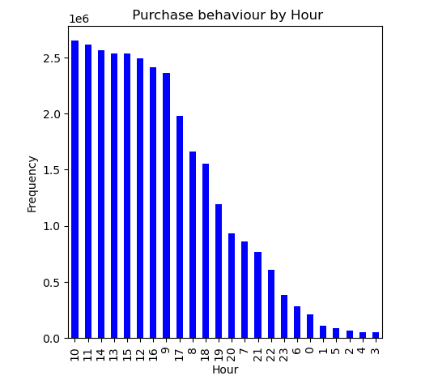



Legend
Number | Day of the week
0 | Saturday
1 | Sunday
2 | Monday
3 | Tuesday
4 | Wednesday
5 | Thursday
6 | Friday

RESPONSE: The busiest day of the week is number 0 that belongs to Saturday followed by number 1 Sundays.
The graphic showing the hours of the day (24 hours) shows a spiking activity from 10am until 17pm
ADS PLACEMENT: Weekday between 18pm 22pm are the least busy times.

2. They also want to know whether there are particular times of the day when people spend the most money, as this might inform the type of products they advertise at these times

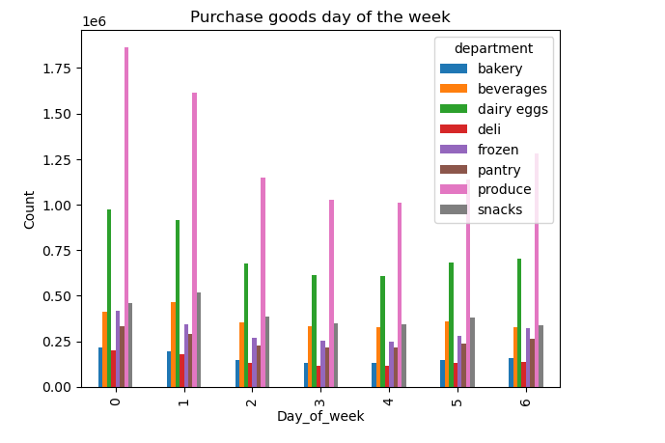
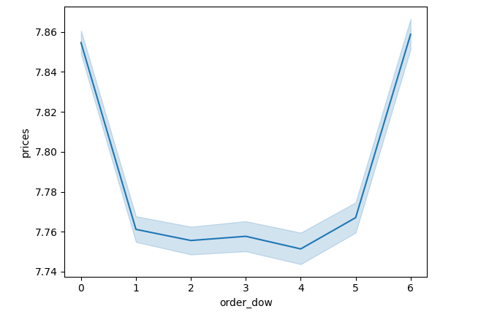
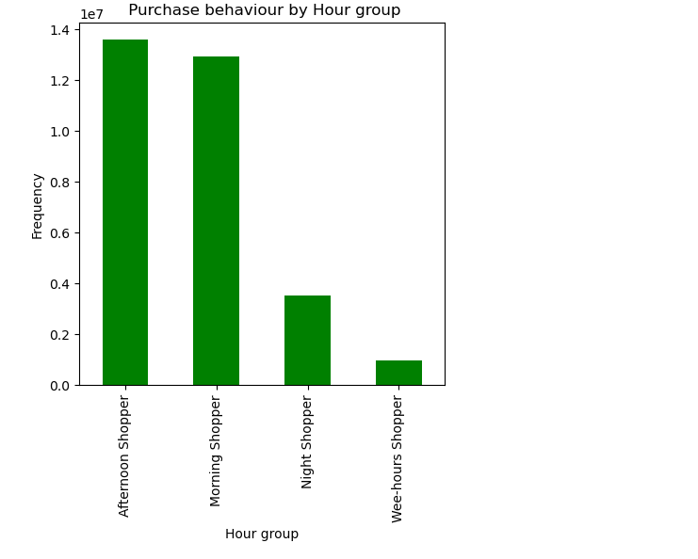
 |  |  |  |  |  | Legend
 |  |  |  |  |  | Number | Day of the week
 |  |  |  |  |  | 0 | Saturday
 |  |  |  |  |  | 1 | Sunday
 |  |  |  |  |  | 2 | Monday
 |  |  |  |  |  | 3 | Tuesday
 |  |  |  |  |  | 4 | Wednesday
 |  |  |  |  |  | 5 | Thursday
 |  |  |  |  |  | 6 | Friday

RESPONSE: Saturday (0) is the most busy day of the week and a times when prices spike. However Friday (6) that is the 3rd result in activity raises the prices too, it seems like re-stocking for the weekend has an effect.
Within the top 10 most purchased items Produce, dairy eggs and snacks are the top 3 items most ordered. during those spiking days.

3. Instacart has a lot of products with different price tags. Marketing and sales want to use simpler price range groupings to help direct their efforts.


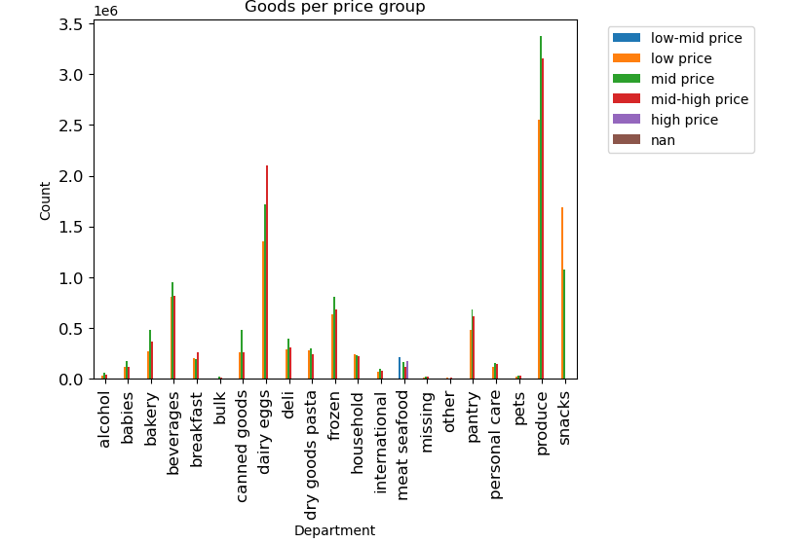
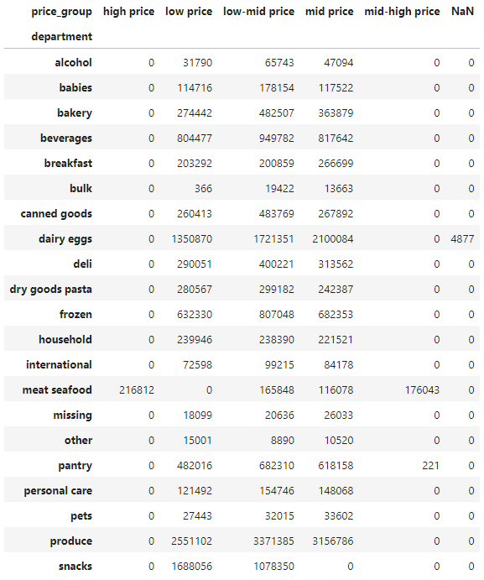

Legend
Price_group | label
<5 | low price
5 to 10 | low-mid price
10 to 15 | mid price
15 to 20 | mid-high price
> 20 | high price
Note: price_group data is in dolars

RESPONSE: prices between 1 and 15 dolars are the most frequently used. ( label low,low-mid and mid price)
Created a chart showing a breakdown of deparment ( products) upon a serie of price_groups to understand the aligment between prices and departments.
Produce, dairy eggs and snack are within the low range prices (matching with the most purchased items)
Meat seafood: High count in the high price group.

4. Are there certain types of products that are more popular than others? The marketing and sales teams want to know which departments have the highest frequency of product orders.

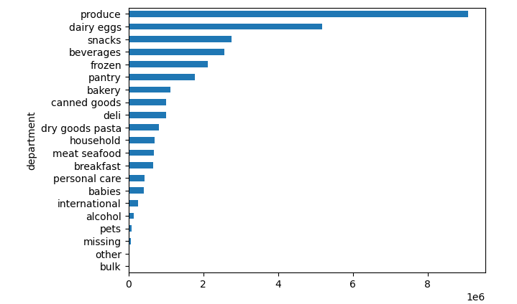

RESPONSE: Produce, dairy egss, snack, beverages and frozen food are the top 5 items most frequently orders, making them the most popular amongs Instacatr clients.
The least ordered categories are pet items, international products, baby items, and personal care products. Based on this, it appears that Instacart users are mostly focused on perishable items and are not as interested in drugstore consumables.

5. The marketing and sales teams are particularly interested in the different types of customers in their system and how their ordering behaviors differ.
Instacart customer demographics

5.a. Distribution among users in regards to their brand loyalty

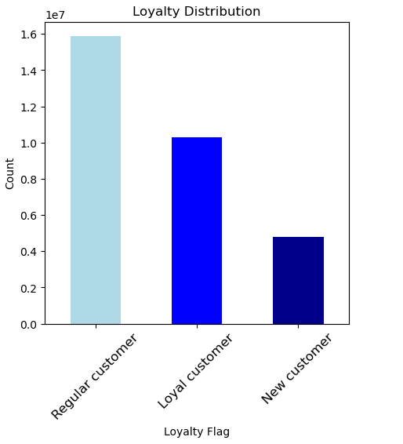
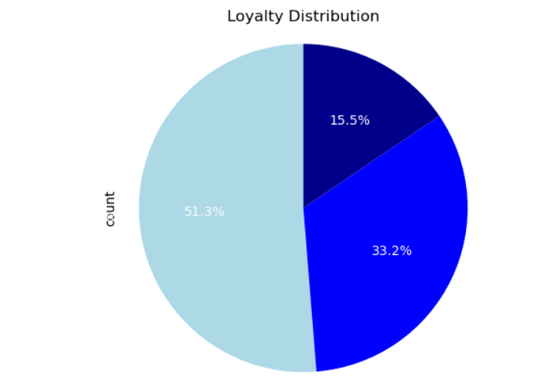
 |  |  |  | Legend
 |  |  |  | Label | max_order
 |  |  |  | New customer | < 10
 |  |  |  | Regular customer | 10 to 40
 |  |  |  | Loyal customer | > 40

RESPONSE:
51.3% of Instacart customers purchase between 10-40 orders, making them Regular Customers.
Loyal Customers represent 33.2% purchasing over 40 orders.
Having 15.5% of New Customers with less than 10 orders.

5.b. Are there differences in ordering habits based on a customer’s loyalty status?

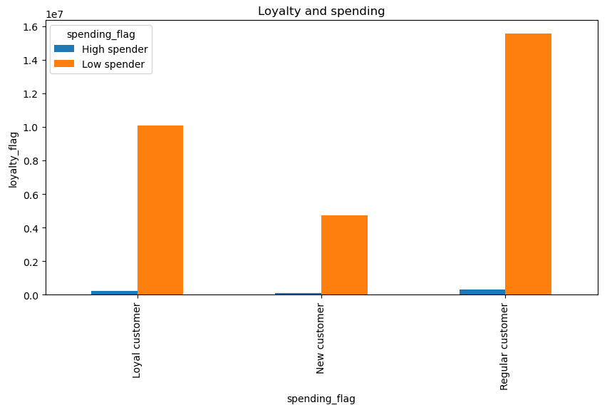
 |  | Legend
 |  | Spending flag | avg price
 |  | Low Spender | < 10
 |  | High Spender | >10

RESPONSE:
Loyal Customers follow a similar behaviour as the remaining spending categories where their average price is less than 10$, making them Low Spender.

5.c. Are there differences in ordering habits based on a customer’s region?

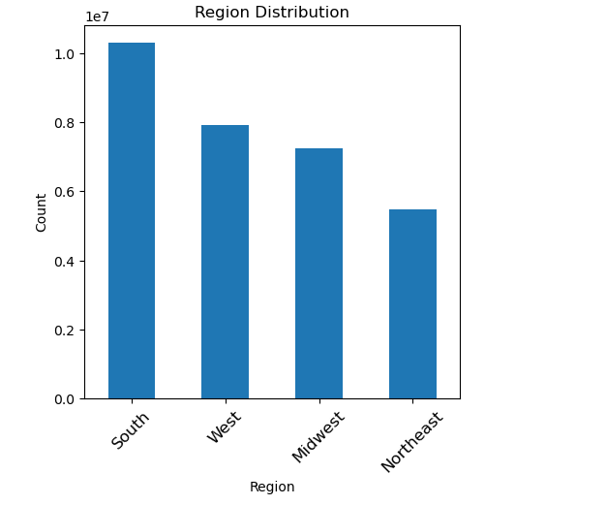
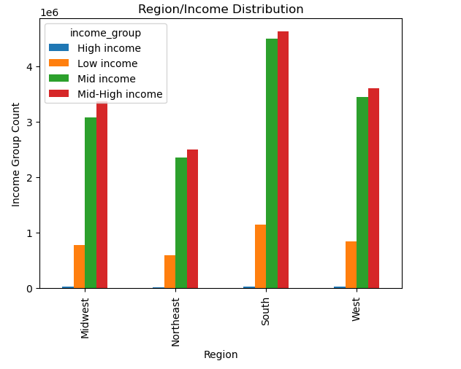
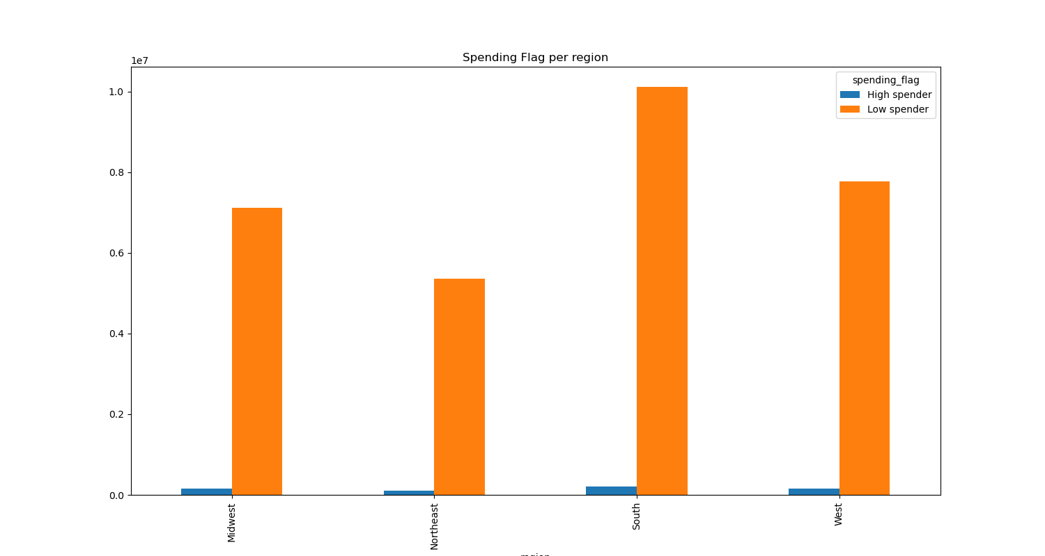

RESPONSE:
The South region is the largest with a 33.3%. followed by the West (25.6%), Midwest(23.5%) and Northeast (17.6%).
RESPONSE:
Across all regions the highest income group are mid-high income (100K-300K a year), followed by mid-income (50K - 100K). However regarless of their income Instacart customers spend less than 10$ in their orders making them low spenders regardless of the region.
 |  | Legend
 |  | Income groups | avg income
 |  | Low income | < 50K
 |  | Mid income | 50K to 100K
 |  | Mid High income | 100K - 300K
 |  | High income | >300K

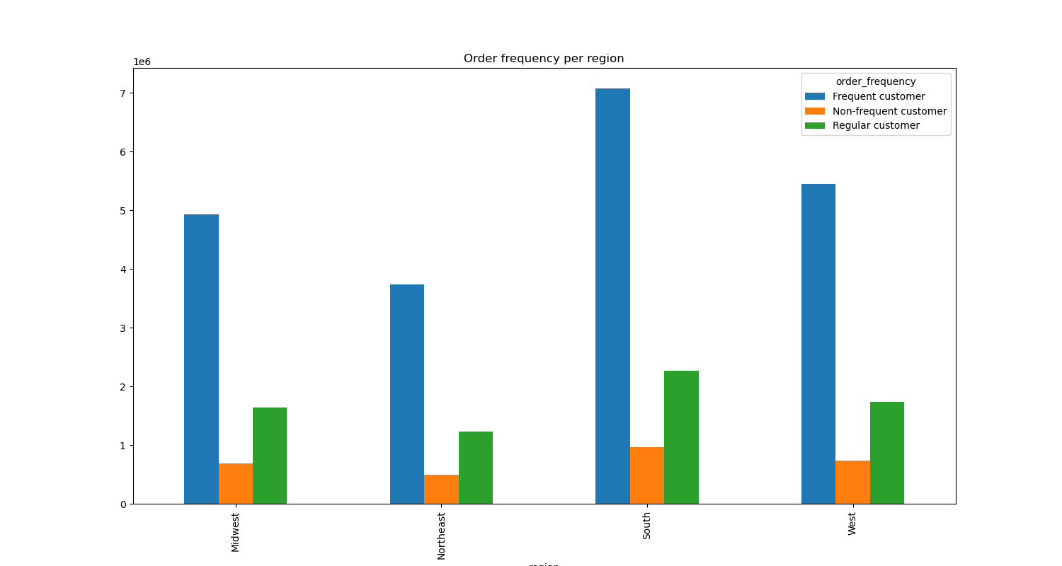
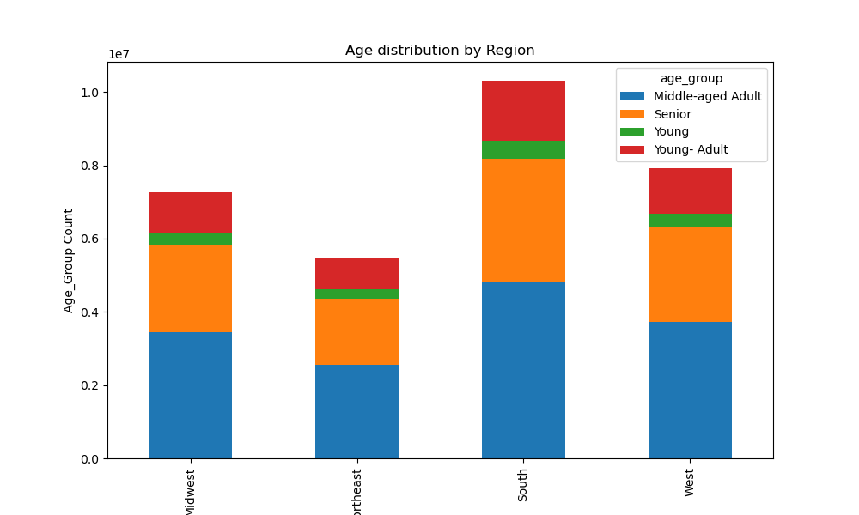
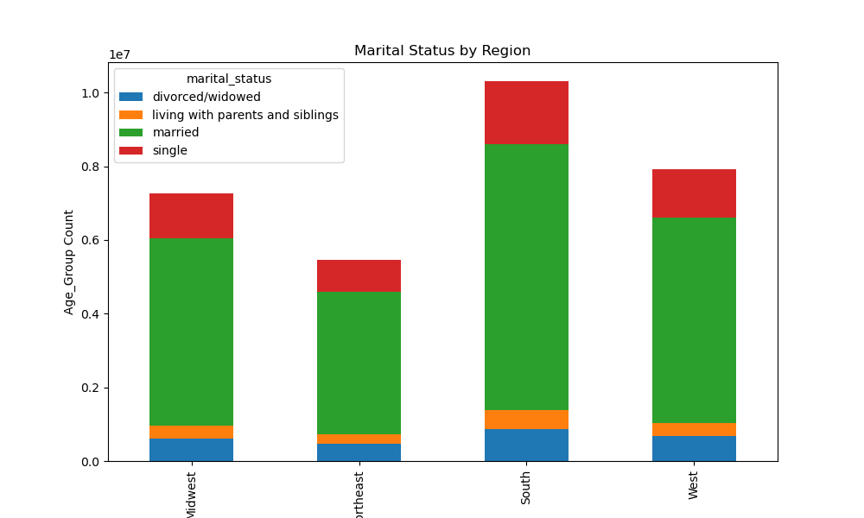

RESPONSE:
About the frequency of order placement all regions behave the same way. Frequent customers ( less than 10 times) are the most common ones, followed by Regular customer (ordering between 10 - 20 times)
RESPONSE:
People between 30 to 60 ( Middle-aged Adults) is the largest demographic across all regions, followed by Seniors ( over 60 years old) Barely used by Young people (less than 20 years old)
RESPONSE:
The distribution across region regarding the family and marital status is rather similar. Married people occupied the largest group, followed by single.

5.d. Is there a connection between age and family status in terms of ordering habits?

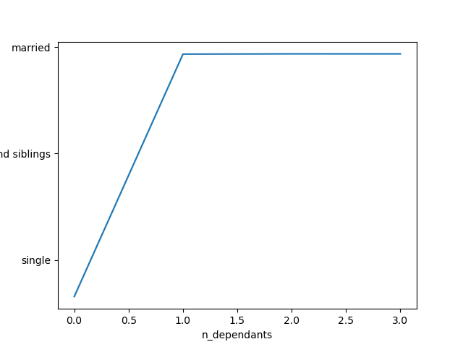
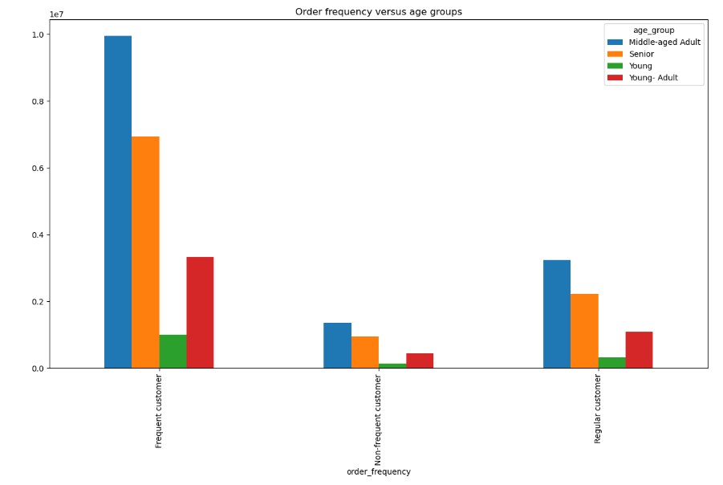
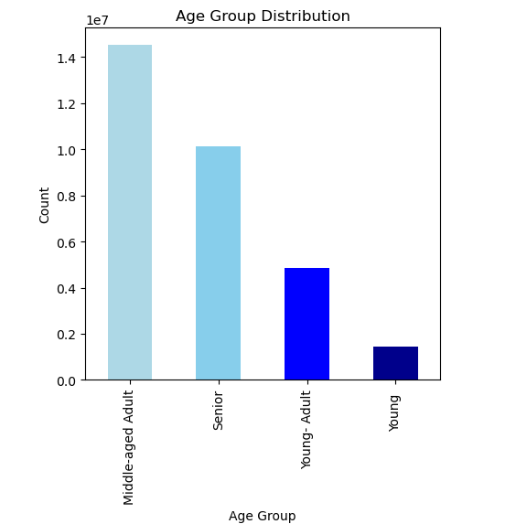
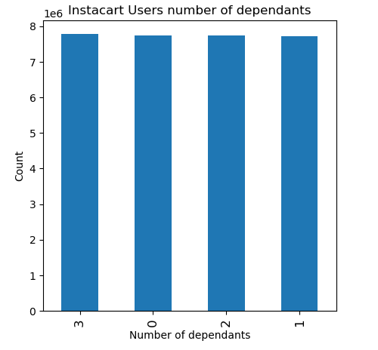

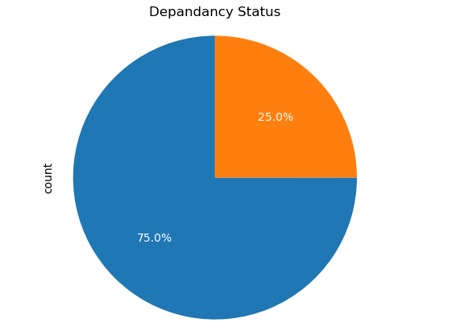
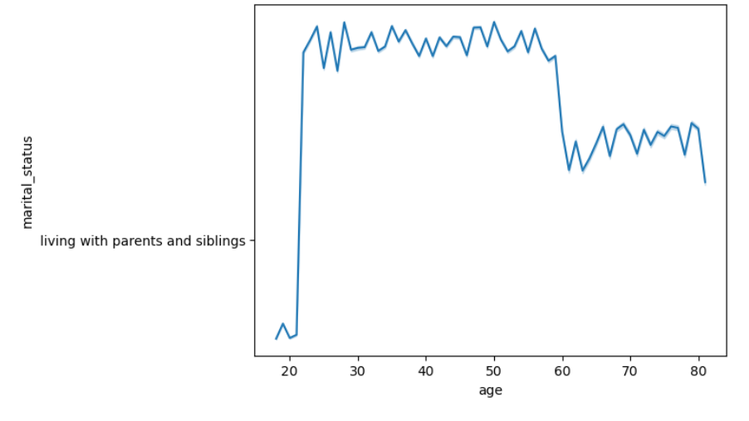

* RESPONSE:
Instacart user are mostly into Middle-age category (30 to 60 ) and Senior ( over 60).
The dependancy distribution is around 25% on each category ( no dependants, 1,2, and 3). Therefore we have 75% of Instacart customers that have dependants on them.
This 75% of customers with dependancies are within 22-80 and Married.
Single people ( no dependants) are in their early 20s.
Regarding the ordering habit Frequent customers (over 20 orders) is the largest group, having Middle-aged and Senior users as the most prominent users. Simiar age_group behaviour repeats for regular and non-frequent customers.

5.e. What different classifications does the demographic information suggest? Age? Income? Certain types of goods? Family status?

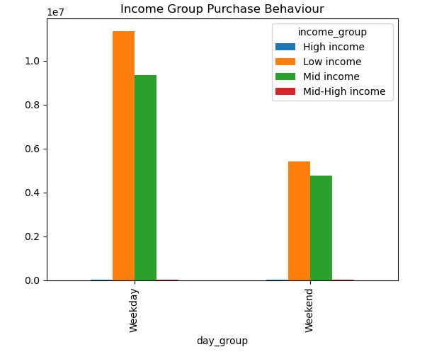
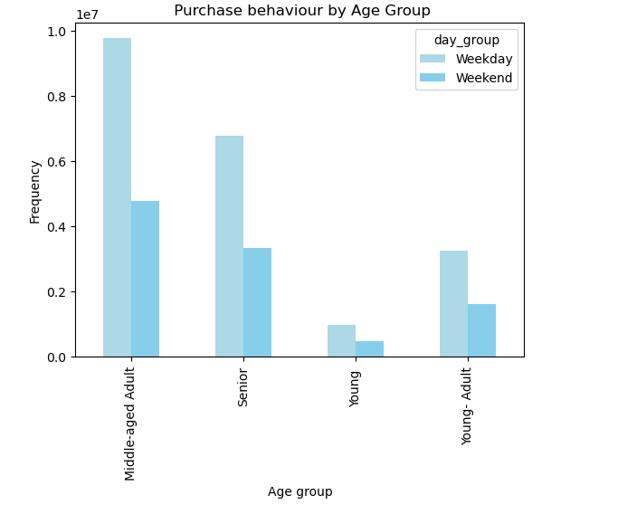

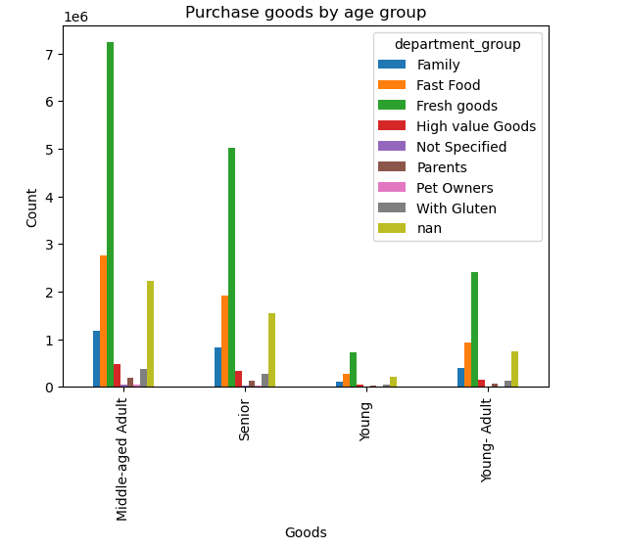



RESPONSE:
Within the age_groups the purchase beahavior in terms of buying within the week or weekedn is very similar. All groups orders 50% more during the week (weekday).
Low-income (<50K) and Mid-income (50K-100K) are highlighted groups when comparing the purchase behaviour between weekdays and weekend
Age is a determined value in relation to Instacart cusromer´s income. As Age increases so does Instacart customers income. We find that customers under 40s their max income reaches 400K. Whereas over 40 lowers ranges 200K-300K gets more compacted reaching even up to 600K.
Most age_groups have a similar purchase behavior in terms of adquired goods: Fresh Goods ( Produce, dairy eggs), followed by Fast food( Canned goods, snacks) are the most frequently orders.

5.f. What differences can you find in ordering habits of different customer profiles? Consider the price of orders, the frequency of orders, the products customers are ordering, and anything else you can think of.

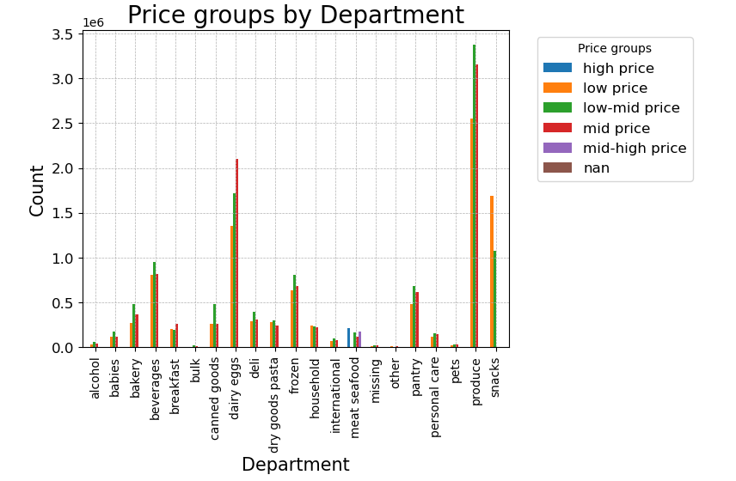
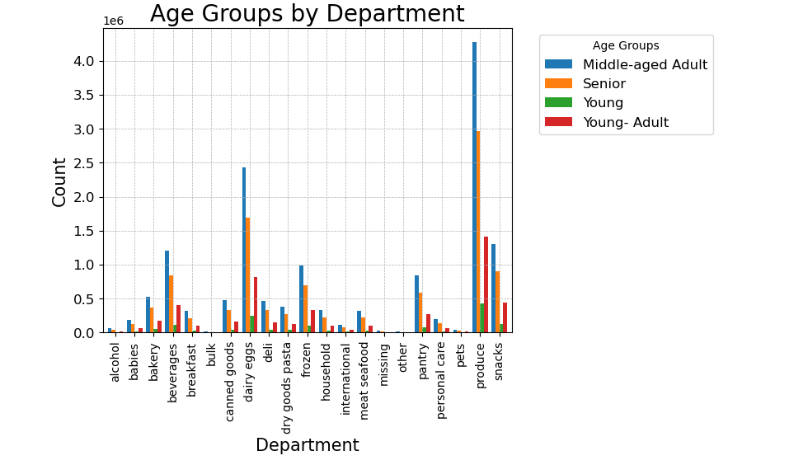

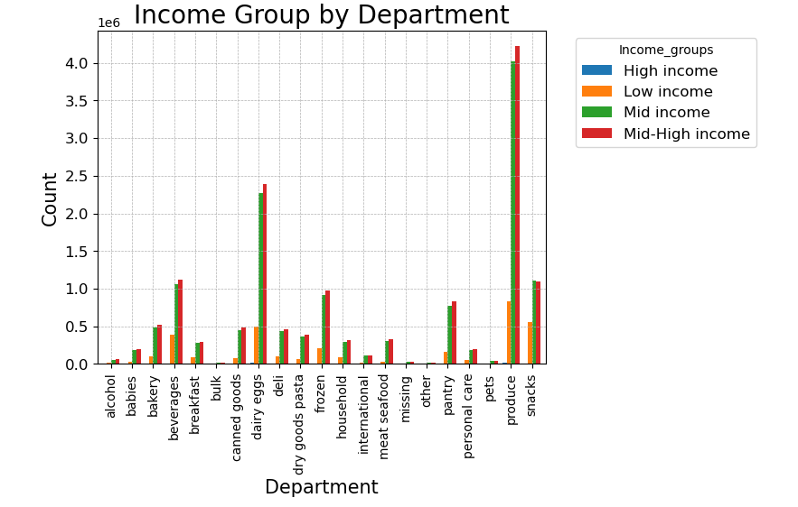
* RESPONSE:
Instacart presents a variety osf prices for most deparments. It is interesting to highlight Dairy_eggs having a larger count on mid-price, Produce spiking on the low-mid and mid price ranges and Snack within the low to low-mid price ranges.
Within the opposite spectrum we have meat seafood where high price is the most prevalent although you can find items within mid-high and mid ranges.
Breakdown on departments per age_group:
* Middle-aged adult and Senior: present a very similar behavior. The order in most categories highlighting produce, dairy egss, snacks, bevarages, frozen, pantry and bakery.
* Yound Adults ( 20-30) . They order in most categories highlighting produce, dairy egss, snacks, bevarages, frozen, pantry and bakery
* Young (<20) : . They order in most categories highlighting produce, dairy egss, s nacks, bevarages, frozen, pantry and bakery
Mid- High and Mid income are the most prominents groups per deparment. HIghligting the impact of low income into snacks the represent around 50% of the volume ( generally around 12-15%). High income clients are barely represented.
RECOME

7. Recommendations
 |  |  | Title page

Recommendations

 | Question | Answer
1 | What days of the week and hours of the day are busiest? | The busiest day of the week are Saturday and Sunday. The graphic showing the hours of the day (24 hours) shows a spiking activity from 10am until 17pm The least busy days are Tuesday and Wednesday. Use the least busy times to promote avoiding after 22pm and 6 am as potential customer might not be available.

2 | What times of the day do people spend the most money?, as this might inform the type of products they advertise at these times | Instacart customers are mostly Afternoon (12pm to 18pm) and Morning shoppers(6am - 12pm). Saturday is the most busy day of the week and a times when prices spike. However Friday that is the 3rd result in activity raises the prices too, it seems like re-stocking for the weekend has an effect. Within the top 10 most purchased items Produce, dairy eggs and snacks are the top 3 items most ordered. during those spiking days.

3 | Instacart has a lot of products with different price tags. Marketing and sales want to use simpler price range groupings to help direct their efforts. | Prices between 1 and 15 dollars are the most frequently used. ( label low,low-mid and mid price) Produce, dairy eggs and snack are within the low range prices (matching with the most purchased items) and the most popular ones. The marketing team should pay special attention to this products as there are the ones driving most to customer attention. Product over 15$ are

4 | Are there certain types of products that are more popular than others? The marketing and sales teams want to know which departments have the highest frequency of product orders. | Produce, dairy eggs, snack, beverages and frozen food are the top 5 items most frequently orders, making them the most popular amongs Instacart clients. The least ordered categories are pet items, international products, baby items, and personal care products. Based on this, it appears that Instacart users are mostly focused on perishable items and are not as interested in drugstore consumables. customers. Therefore, focus the products with most traction and consider offers to encourage usage of high range products or drugstore consumables.

5.a | The marketing and sales teams are particularly interested in the different types of customers in their system and how their ordering behaviors differ. Instacart customer demographics | 51.3% of Instacart customers purchase between 10-40 orders, making them Regular Customers. Loyal Customers represent 33.2% purchasing over 40 orders. Having 15.5% of New Customers with less than 10 orders. As payment recurrency is not a problem, Instacart could incentive regular customers to transform them into Loyal.

5.b | Are there differences in ordering habits based on a customer’s loyalty status? | Loyal Customers follow a similar behaviour as the remaining spending categories where their average price is less than 10$, making them Low Spender. Therefore, we have Regular customers that spend less than 10$. Instacart should encourage to increase that brand loyalty (increasing orders) while adding more items in the cart by incetive programmes and rewards so the customer can feel there is a benefit in return for their brand addierance.

5.c | Are there differences in ordering habits based on a customer’s region? | In terms of region orgering habits the data doesn´t not show any major differences between them. The size of teh Southern region makes it th emost appealing based on teh size of the customer base. It is important to have that into consideration to keep increasing brand loyalty and expanding the shopping cart. Based on this the West and Mid west regions that which data is similar should be the second growth focus.

5.d | Is there a connection between age and family status in terms of ordering habits? | Instacart most frequent client are Middle -age(30-60) and Senior customer (over 60), Married and having dependants. These age_ranges are the ones having access to a highest income. Despite of teh income, Instacart clients are still low spender and regular clients. Even having dependants family related articles aren´t highly adquired. As most age group opperate quiet similarly, it might be interesting to target the needs to each of those groups and custom advetising campaign tailored to their needs (ex: Having campaign for families with dependants (2-3) and low income on bulk, produce, babies. Whereas people with certain food intolerances might be looking for items that can attend to their health status).

5.e | What different classifications does the demographic information suggest? Age? Income? Certain types of goods? Family status? | The graphic shows a clear aligment between age and income. People under 40 are within teh lower income ranges and reaching mid income ranges (50K-100K). However over 40 onwards we can see how customers are not only within those low and mid ranges but mid high (100k-300K) and over 600K. Despite of accessing to more income there aren´t barely any changes in purchase behaviour. Having in mind that some sectors of the customer base do have access to other incomes try to appeal to the needs of their lifestyle to increase their spending amount. As well for low to mid income clients with promotions and discount reward cheque on their next purchase to they keep increasing loyalty tothe brand.

5.f | What differences can you find in ordering habits of different customer profiles? consider the price of orders, frequency of orders, products customers are ordering, and anything else you can think of. | Instacart presents a variety osf prices for most deparments. It is interesting to highlight Dairy_eggs having a larger count on mid-price, Produce spiking on the low-mid and mid price ranges and Snack within the low to low-mid price ranges. Within the opposite spectrum we have meat seafood where high price is the most prevalent although you can find items within mid-high and mid ranges. Breakdown on departments per age_group: * Middle-aged adult and Senior: present a very similar behavior. The order in most categories highlighting produce, dairy egss, snacks, bevarages, frozen, pantry and bakery. * Yound Adults ( 20-30) . They order in most categories highlighting produce, dairy egss, snacks, bevarages, frozen, pantry and bakery * Young (<20) : . They order in most categories highlighting produce, dairy egss, snacks, bevarages, frozen, pantry and bakery Mid- High and Mid income are the most prominents groups per deparment. Highligting the impact of low income into snacks the represent around 50% of the volume ( generally around 12-15%). High income clients are barely represented. As we ave seem the behavior amogns each age group is very similar. It will be good to launch a campaign to understand the needs and wants from each of the profiles we have found. Once we gain more knowledge we can customise campaigns and create actions to promote specific product and/or establish a loyalty programme. It is unnusual that all clients will behave the same, therefore we need to gather more data and target to unique needs rather than general campaigns.

